Sheet1
 |  | Document No. |  |  | Issue No. | Issue Date |  |  |  | Review and Replace Date |  | Authorised By
 |  | GFF464MC |  |  | 1 | 03.10.2024 |  |  |  | New doc |  | Magda Shah
 |  | Document Title |  |  | Indian Selection with Spicy Tomato Dip 1020g
Document amendments reason for change |  | New Doc |  |  |  | Page 1 of 1 |  |  | Previous Issue Date |  | New doc | Uncontrolled copy unless signed original

FINSC2-B26X4T |  |  | Gazebo Cuisine |  |  |  | Indian Selection with Spicy Tomato Dip 1020G | Frozen
STEP 1 |  |  |  |  |  |  |  | STEP 2
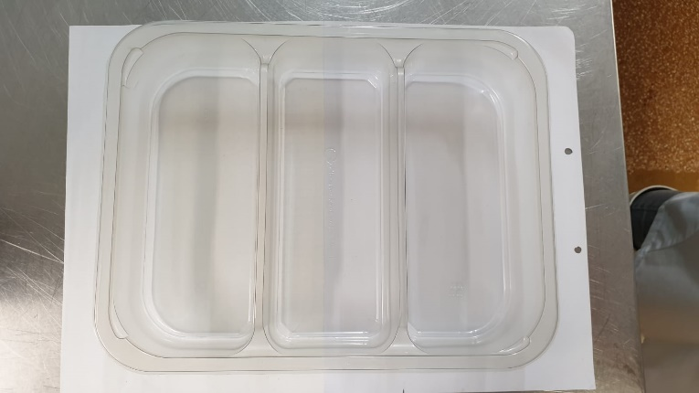 |  |  |  |  |  |  |  | 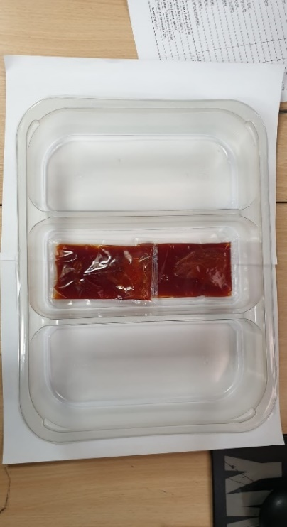

PACK DAY + 1 YEAR

Packaging: Tray:3 cavity HW308/60 Transparent-(PKLEE001-08) |  |  |  |  |  |  |  | Spicy Tomato Dip Sachets (RMCAM003-03) 2 x 40g | 80g
Film: K Peel RPSM 25µm (340mmX1000lmm)-PKKMP001-05
 | STEP 3 |  |  | STEP 4 |  |  |  | STEP 5
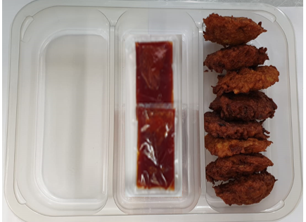
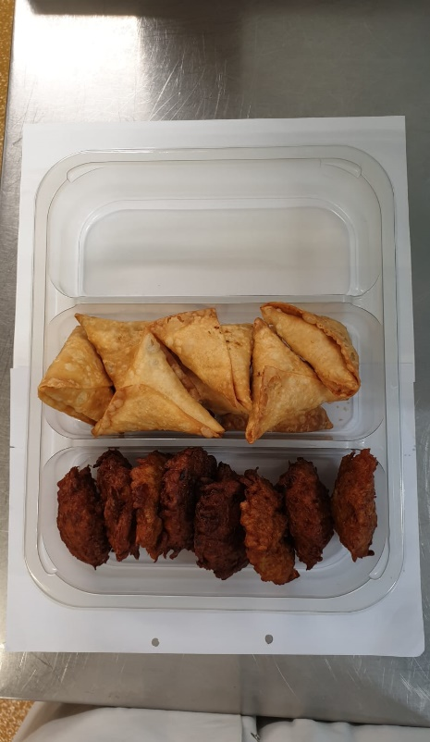
 |  |  |  |  |  |  |  | 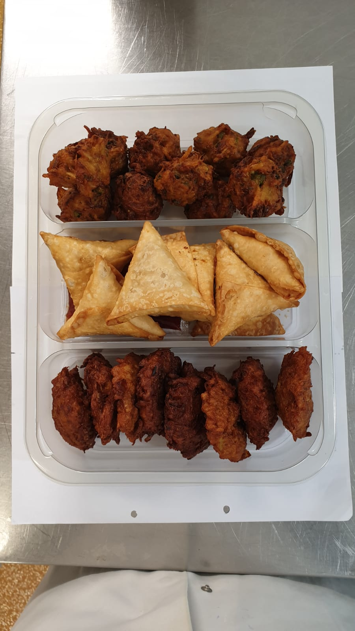

8 x Onion Bhaji Cocktail 40g (GFF121R) |  |  |  | 8 x Vegetable Samosas 40g (GFF123R) |  |  |  | 10 x Vegetable Pakora Cocktail 30g (GFF122R) |  |  |  | Total Weight 1020g
ALLERGY ALERT: Gluten-(Wheat)

